Custom_Number
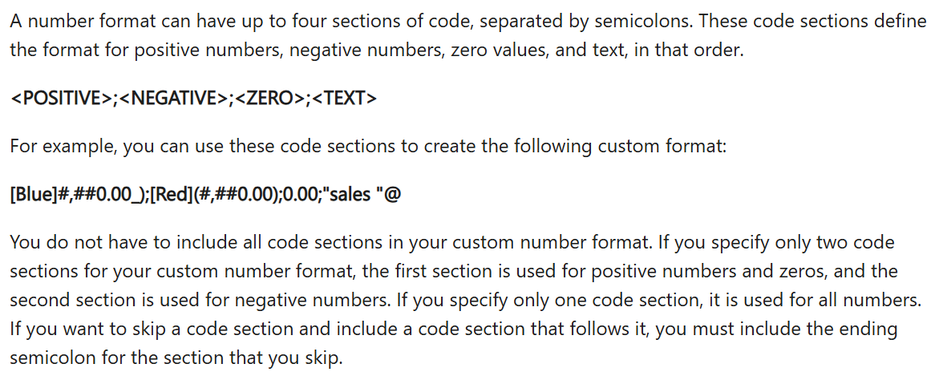
Sr | Requirement | Input | Output | How the correct output looks like
1 | Show number with 2 decimals | 1234.5 | 1234.50 | One thousand two hundred thirty-four point five zero
2 | Currency with PKR | 5000 | PKR 5000 | PKR space five thousand
3 | Negative numbers in brackets | -2500 | (2500) | Brackets instead of minus
4 | Show percentage | 0.85 | 85% | Eighty-five percent
5 | Add text after number | 25 | 25 Kg | Number followed by “Kg”
6 | Phone number format | 3001234567 | +92-3001234567 | Mobile number grouped
7 | Hide zero values | 0 |  | Cell appears empty
8 | Show thousands as K | 15000 | 15K | Fifteen K
9 | Date format | 45200 | 1-Oct-23 | Day-Month-Year
10 | Time format | 0.75 | 18:00:00 | 18:00:00
11 | Positive green, negative red | -1200 | (1200) | Color-based display
12 | Leading zeros | 45 | 00045 | Total 5 digits
13 | Show “Loss” for negative | -800 | Loss 800 | Custom text for negatives
14 | Millions as M | 2500000 | 2.5M | Two point five million
15 | Text for zero only | 0 | Nil | Zero replaced by word
 |  |  |  |  | Colors For Formatting
 |  |  |  |  | Black
 |  |  |  |  | White
 |  |  |  |  | Red
 |  |  |  |  | Green
 |  |  |  |  | Blue
 |  |  |  |  | Yellow
 |  |  |  |  | Magenta
 |  |  |  |  | Cyan

DataValidation
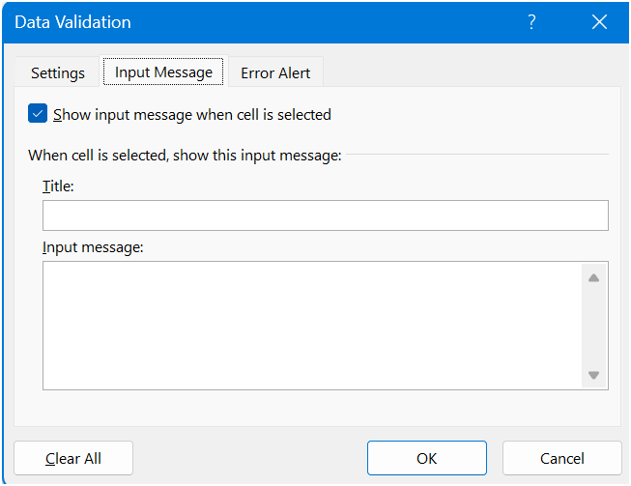
DATA VALIDATION

Input Message

Alert Types
- Stop
- Warning
- Info

Validation criteria
Any Value | Default
Whole number | Non Decimal
Decimal
List | Drop Down
Date
Time
Text length
Custom

Dependent Drop Downs |  | Vegetable | Fruit | Snacks
 |  | Carrot | Peach | Chips
 |  | Peas | Mango | Juice
 |  | Potato | Apple | Biscuits
 |  | Tomato | Banana | Puff

